1. Title Page
[Instacart Basket Analysis]

Project Name: Instacart Basket Analysis
Date: 7/8/2024
Analyst Name: Mumin Can Tasci

Contents:
Population Flow
Consistency checks
Wrangling steps
Column derivations
Visualizations
Recommendations

Citation:
The Instacart Online Grocery Shopping Dataset 2017”, Accessed from https://www.instacart.com/datasets/grocery-shopping-2017

2. Population Flow
Title page

Population flow

Exclusion flag
Condition: max_order < 5
Obervations to be removed: 28,448
Final total count of order_products_all: 32,406,041

Orders_products_combined
Orders_products_merged
Orders_products_all

Total: 32,404,859
Total: 32,434,489
Total: 32,404,859

1.) The grey boxes in the first row of the population flow represent the original data sets as they were when you downloaded them. In the Total fields you need to add the count of the rows when you imported the data set into Jupyter.
2.) The second row of boxes (coloured) represents the data sets after you manipulated them, e.g., removed missing values and duplicates. In the Total fields you need to add the count of the rows after conducting these operations. This offers a visual oveview of how the data flows throughout the data consistency checks.
3.) The third row, where also the arrows are coloured, represents the merges you performed between the datasets. In the Total fields you need to add the count of the rows in the merged datasets, so that you end up with the final dataset (in the red box). Keep in mind the final dataset should be without exclusions (based on the exclusion flag).

3. Consistency checks
 |  |  |  | Title page
Consistency checks

Dataset | Missing values | Missing values treatment | Duplicates
orders | 206209 NaN | Made not but changed nothing | N/A
products | 16 | Dataser was created without missing values | 5 Duplicates was found and new dataset was created without duplicates.
orders_products_prior | N/A | N/A | N/A
customers | N/A | N/A | N/A

4. Wrangling steps
 |  |  |  | Title page
Wrangling steps

Columns dropped | Columns renamed | Columns' type changed | Comment/Reason
order - eval_set
 |  | Orders - order_id as str | Converted data type to integer str to save some memory
 |  | Orders - user_id as str | Converted data type to integerstr to save some memory
 | STATE - state |  | Lower case
 | Age - age |  | Lower case

5. Column derivations
 |  |  |  |  |  | Title page

Column derivations and aggregations

Dataset | New column | Column/s it was derived from | Conditions | Additional Data
df_complete
 |  |  |  | South | 10792300
 |  |  |  | West | 8293217
 | Region | State | States were divided into their respective regions | Midwest | 7597585
 |  |  |  | Northeast | 5722939

 |  |  |  | Adult | 14683931
 | Age_Range | Age | Young adults range from 18-24, adults range from 24-64, seniors are over 64 | Senior | 8575361
 |  |  |  | Young Adult | 9146749

 |  |  | Prices >15 are high range products | Mid-Range Product | 21861997
 | Price_Range_Loc | Price | Prices less than or equals to 15 and greater than 5 are mid range products | Low-Range Product | 10126366
 |  |  | Prices less than or equals to 5 are low range products | High-Range Product | 417678

 |  |  |  | Regularly Busy Days | 22360936
 | Busiest_days | Orders_Day_of_Week | 0 and 1 are the busiest days, 4 and 3 are the least busy days, rest are regularly busy | Busiest Days | 6204404
 |  |  |  | Least Busy Days | 3840701

 | Max_Order | User_Id / Order_Number | Max number of orders for each user

 |  |  | If the maximum orders the user has made is over 40, then the customer will be labeled a “Loyal customer.” | Regular Customer | 15877395
 | Loyalty_Flag | Max_Order | If the maximum orders the user has made is over 10 but less than or equal to 40, then the customer will be labeled a "Regular Customer" | Loyal Customer | 10284396
 |  |  | If the maximum orders the user has made is less than or equal to 10, then the customer will be labeled a "New customer" | New Customer | 6244250

 | Mean_Price | Price | Mean price of each users orders

 | Spender_Type | Mean_Price | If the mean of the prices of products purchased by a user is lower than 10, then flag them as a “Low Spender.” | Low Spender | 31771789
 |  |  | If the mean of the prices of products purchased by a user is higher than or equal to 10, then flag them as a "High Spender" | High Spender | 634252

 | Median_Prior_Days | Days_Since_Prior_Order | Median value of days since prior order of each user

 |  |  | If the median of “days_since_prior_order” is higher than 20, then the customer should be labeled a “Non-Frequent Customer.”
 |  |  | If the median is higher than 10 and lower than or equal to 20, then the customer should be labeled a “Regular Customer.” | Frequent Customer | 21560324
 | Order_Frequency | Median_Prior_Days | If the median of “days_since_prior_order” is higher than 20, then the customer should be labeled a “Non-Frequent Customer.” | Regular Customer | 7209005
 |  |  | If the median is higher than 10 and lower than or equal to 20, then the customer should be labeled a “Regular Customer.” | Non-Frequent Customer | 3636707
 |  |  | If the median is lower than or equal to 10, then the customer should be labeled a “Frequent customer.”

 | Total_Orders | User_Id | Count of amount of times each user_id appears

 | Low_Activity_Flag | Total_Orders | Low activity customers have less than 5 orders, regular activity customers have greater than 5 orders | Regular Activity | 30965686
 |  |  |  | Low Activity | 1440355

6. Visualizations
 |  |  |  |  |  | Title page

Visualisations

In this tab you should include all the visualtions from Exercises 4.9 and 4.10, alongside the questions from the project brief that they answer. Include any commentary on the relationship between different variables.

 | Order Distribution (Hours of the Day) |  | Order Days of the Week |  | Order Hour of the Day |  |  | Order Time of the Day
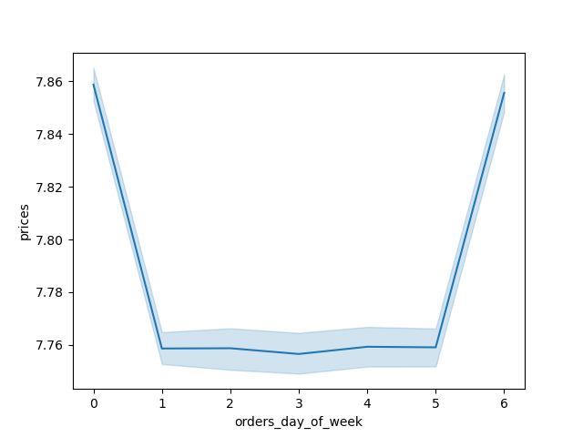

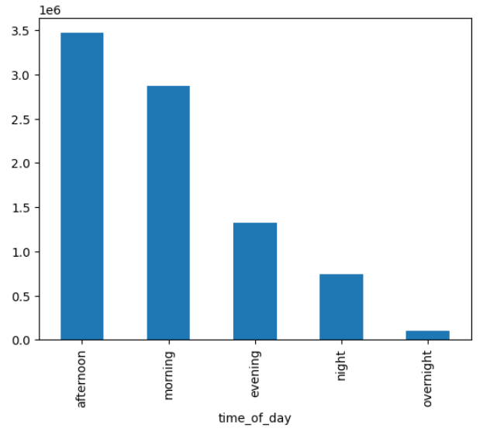
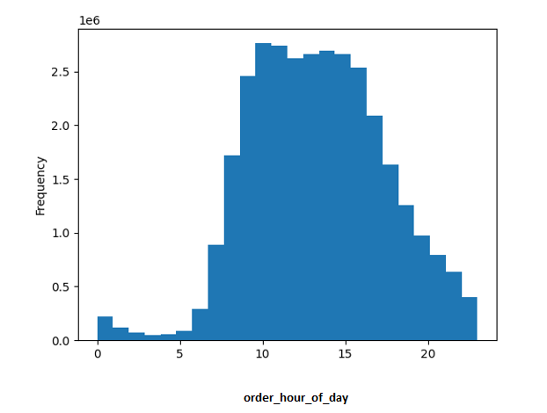

 |  |  | Based on instacart data for prices, customers spend more on the weekends (Friday - Sunday). |  |  |  |  | Regarding these data from Order time of the day, afternoons and mornings are prime time for the instacart order circulation. The reason behind these numbers, would be to get eveything in hand before breakfast and dinner time.

In a 24 hour day, instacart customers place most orders, the businest time of the days are 10am-3pm (mid day) The early morning is when customers are less likely to place an order. |  |  |  |  | This chart represents at what times during the day customers are spending their money. In addition peak spending times 3am-7am, and around 10pm-11pm and the biggest spending hours are at 9am-10am.

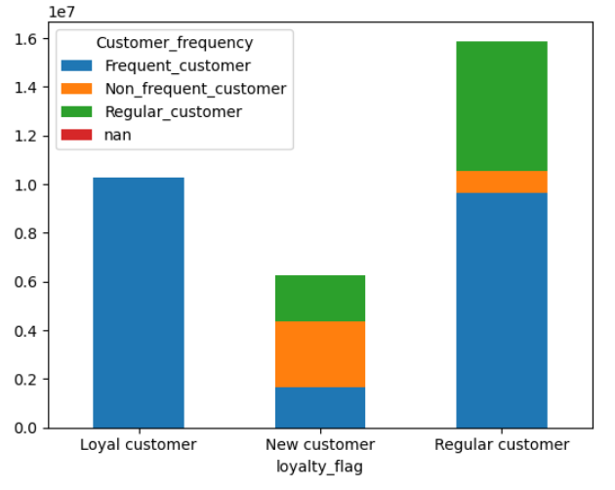
 | Customer Frequency |  |  | Customer Type |  |  | Customer Locations
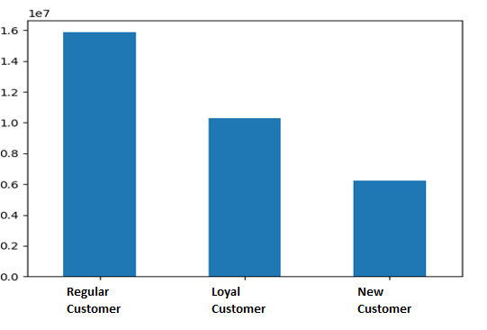
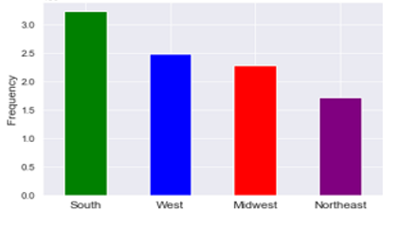
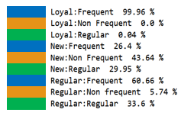
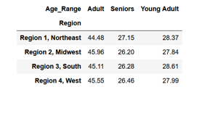

 | The above chart shows the division of the loyalty customer types and ther shopping frequency division. Loyal customers are made up almost entirely of frequent shoppers. New customers have the highest amount of non frequent customers. Regular (loyalty) customers have a higher portion of frequent customers and regular (frequency) customers than of new customers. Advertisements for new customers and regular customers should be sent out on less busy days of the week to encourage them to shop more often. |  |  | Most instacart customers are defined as regular meaning that their max order is between 10 and 40. Loyal customers are around 3 million menaing that they have ordered more than 40 times. Regular Customer 49% --- Loyal Customer 31.74% --- New Customer19.27% |  |  | The most amount of customers are located in the South region of the United States. The least amount of customers are located in theNortheast region of the United States.

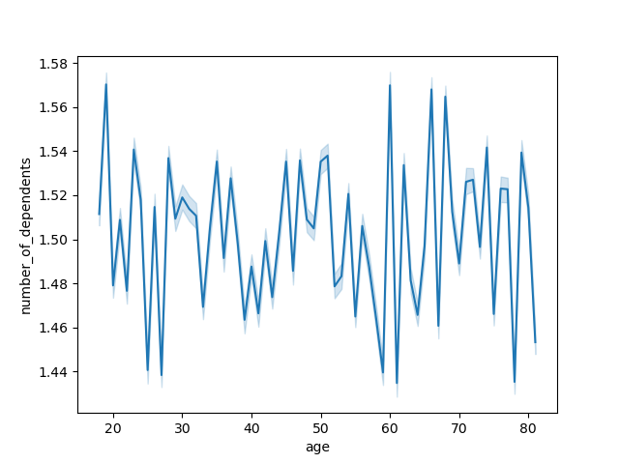
Relationship between Age and Dependents |  |  |  |  | Relationship between Age and Income


 |  | Regardless of age, customers aged 20 and up typically have at least 1 child as a dependent. One other thing to note comes from the chart notice that the number of dependants is not correlated with age as the chart shows this relationship is random. |  |  |  | The scatter plot above to the left shows income versus age. From this is is clear that the ability to spend get higher as a person gets older with a clear breaking point around age 40. Customers aged 40 and up have a higher spending power and more free cash to spend on products/services like instacart. Customers aged less than 40 have a lower spending power and less free cash to spend on products/services like instacart. Age 40 and up are definetely target customer type that will most likely boost the sales on more expensive items as well.

7. Recommendations
 |  | Title page

Recommendations

In this tab you should include any recommendations you would made to Instcart in terms of their marketing strategy based on the questions posed in the brief. Every key question has been covered in the Tasks of the Exercises - here you need to add an item - a visualisation or table/crosstable that is showing the answer in the data, acompanied by a comment from you. Please, list the questions below and add the answer underneath.

Question | Answer

What's the distribution amoung users in regards to their brand loyalty? | There are more regular customers than loyal customers. Therefore, Instacart should offer incentives to reward its regular customers and incentize non regular costumers.
Are there differences in ordering habits based on a customer’s loyalty status? | Yes, new customers spend the most (avg ~$13. This is followed by regular customers avg ~$12 and loyal customers avg ~$10.
Are there differences in ordering habits based on a customer’s region? | In general, most customers across regions are considered low spenders. South region spends more as high spenders than any other region.
There are particular times of the day when people spend the most money, as this might inform the type of products they advertise at these times. | Early Morning
The sales team needs to know what the busiest days of the week and hours of the day are in order to schedule ads at times when there are fewer orders. | 10am-4pm, Friday - Sunday

